Sheet1
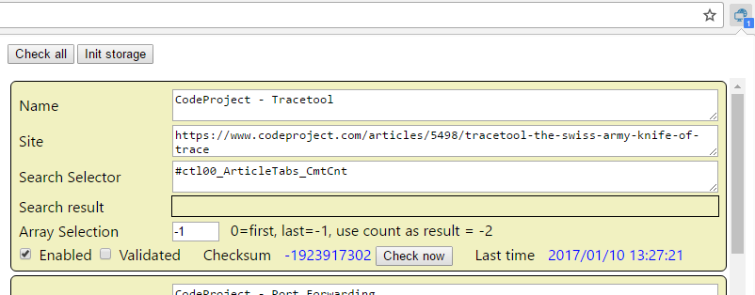

Add current Page

 |  |  |  |  |  | TODO
 |  |  |  |  |  |  | "Add current Page" button
 |  |  |  |  |  |  | "Delete" button
 |  |  |  |  |  |  | "Schedule period" button
 |  |  |  |  |  |  | Add a Minimize button, mimimize all, collapse all
 |  |  |  |  |  |  | Polling interval
 |  |  |  |  |  |  | Array selection : change look : first, last,use coutn, specific index

 |  |  |  |  |  |  | bower : tracetool.js
 |  |  |  |  |  |  | Bootstrap (npm)

Polling Interval | 12 hours | Last time | 1/10/17 | Check now

Enabled | Validated | Checksum | 123456 | Open | Delete

